Instructions
Verifying Franchise Sales from BI:
See spreadsheet with instructions here:
Z:\Shared\Accounting\Franchise Accounting\Weekly Billing\Franchise Sales\2021

Putting together Franchise Royalty Calculator:
Rates from Tracker | Add any new franchise locations & rate info to the bottom of the sheet.
 |  | !! - Make sure if you add/remove franchisee's you check that the WF Template has the correct account informatio/amount pulling correctly
Calculations | Update cell O5 with the first date of the franchise week you are working on
 | In B-F, copypasta data from the Franchise Sales from Tableau
 |  | !! - Make sure you verified the data first! (see "Verifying Franchise Sales from Tableau" above)
 |  | !! - Make sure you remove any remaining data from the previous week's listing (Scroll to bottom and check on dates vs billing week)
 |  | !! - Confirm Check figure in Column F agrees to Franchise Sales file for net sales
 | Update check figures formulas to current franchise sales week file
 | The calculations in G-M should auto-populate. If they do not, make sure the "Rates from Tracker" tab is updated with the stores that are erroring out.
 | Column P will also show a store count for each day - make sure this ties to your open store count from the "Rates from Tracker"
 |  | Note: Northwestern University and DTW Airport is billed via a separate method (store does not use Brink as their POS)

Summary | Update cell B3 with the end date of the franchise week you are working on
 | Refresh Pivot
 | Update V.I.'s tax amount

Debit Memo Info | If there any new locations, add a row to the bottom of the sheet
 | See below "To Create AR Invoice in SAP" instructions

To Create AR Invoice in SAP:
Debit Memo Info - tab

Manage Debit Memo Requests - SAP
 | Create Debit Memo Request
 | DR / 1750 / 10 / 00
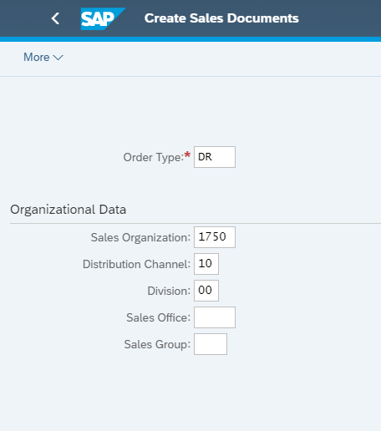

 |  |  |  | 1753 CAD

Filter on Franchisee (in Debit Memo Info Tab in order of summary franchisee)
Sold to Party = Franchisee
Cust. Reference = Date range of billing (ex. 1/14/19-1/20/19)
Billing Date = last day of billing (ex. 1/20/19)
Billing Block = blank
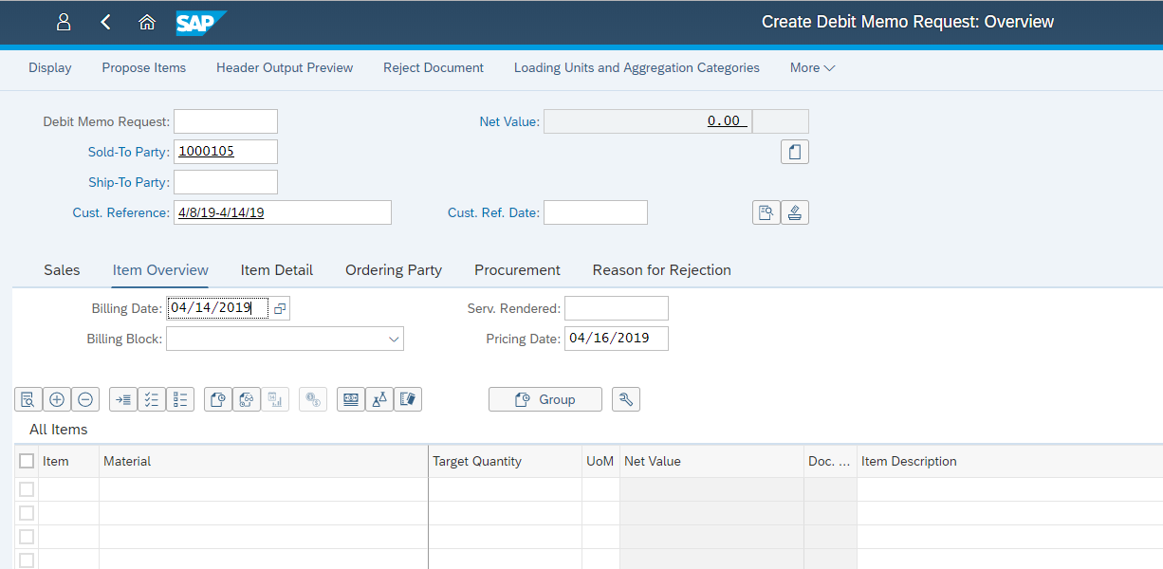

Go to "Sales" tab
**Billing Block should be BLANK
Order Reason = Sales Call

Create line items for "Continuingfee" and "Marketingfee", one for each line for the franchisee
Quantity = 1
Copy over Item Descriptions into corresponding line items
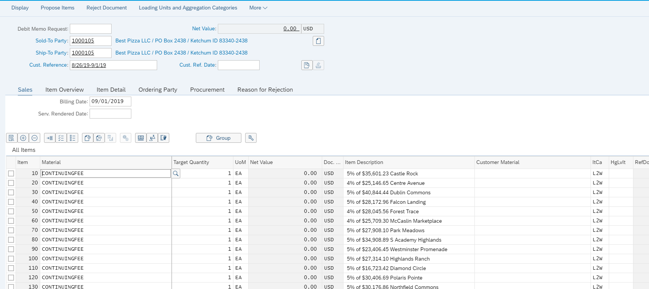

Use this below to copy, paste in 'Material'and 'Target Quantiy' while creating invoice

CONTINUINGFEE | MARKETINGFEE | 1 | ppr0
CONTINUINGFEE | MARKETINGFEE | 1
CONTINUINGFEE | MARKETINGFEE | 1
CONTINUINGFEE | MARKETINGFEE | 1
CONTINUINGFEE | MARKETINGFEE | 1
CONTINUINGFEE | MARKETINGFEE | 1
CONTINUINGFEE | MARKETINGFEE | 1
CONTINUINGFEE | MARKETINGFEE | 1
CONTINUINGFEE | MARKETINGFEE | 1
CONTINUINGFEE | MARKETINGFEE | 1
CONTINUINGFEE | MARKETINGFEE | 1
CONTINUINGFEE | MARKETINGFEE | 1
CONTINUINGFEE | MARKETINGFEE | 1
CONTINUINGFEE | MARKETINGFEE | 1
CONTINUINGFEE | MARKETINGFEE | 1

Click checkbox to left of the first line item
Click "item conditions" (dollar bill icon above the line items, next to the icon that looks like test tubes)
Back up to first Sales Document Item
CnTy = ppr0 at the bottom after 'Profit Margin'
Paste in corresponding item amount
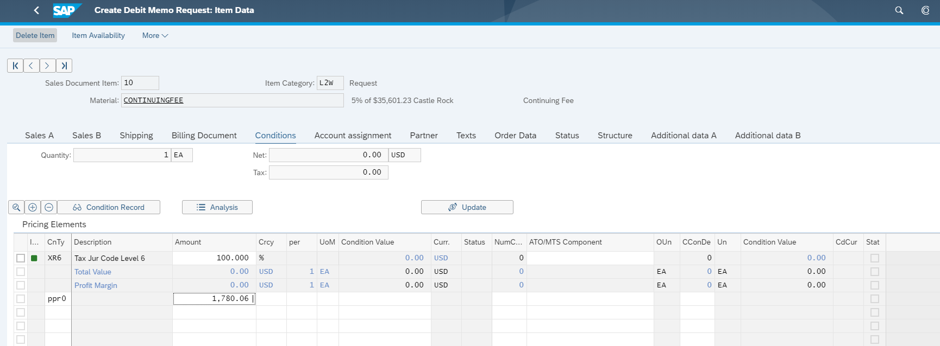

Hit back button
Verify that Net Value matches Total (column H) on sheet
If it doesn't match, adjust in "Rounding" column on Summary tab (should not be more than ~5 cents)

Hit save in SAP

Go to "Create Billing Documents" tile to create & post the invoices you created. After posting each invoice, the "Output Items" section will allow you to download a PDF copy (click the PDF icon under the "Display" column)
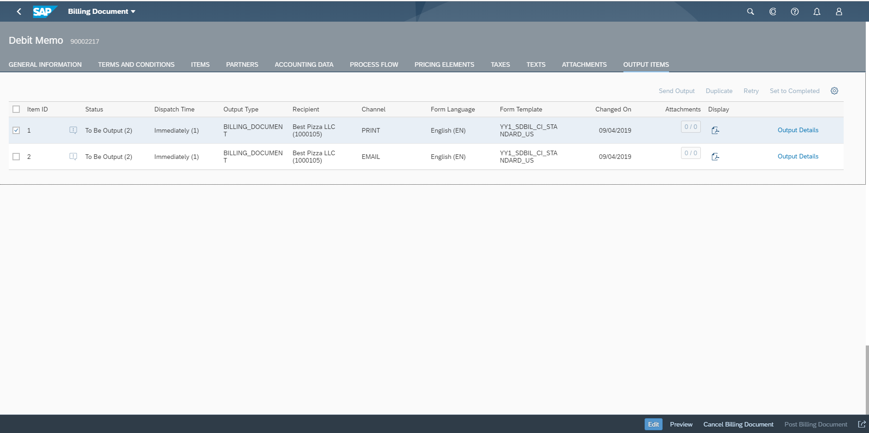

If you need to view an invoice again after it has already been posted, go to "Manage Billing Documents" tile. This will show all billing documents that have been created so you can cancel/post/etc.

**** If you need to delete an invoice before you post it, here are the instuctions:

Go to 'Manage Debit Memo Requests'
Click 'Go'
Click on the Debit memo request number you'd like to delete - Make sure the Overall Status is 'Open'

Select 'Change Debit Memo Request'

Go to 'More' in the drop down menu on top.
Select ' Sales Document' and click on 'Delete' under that.

Rates from Tracker
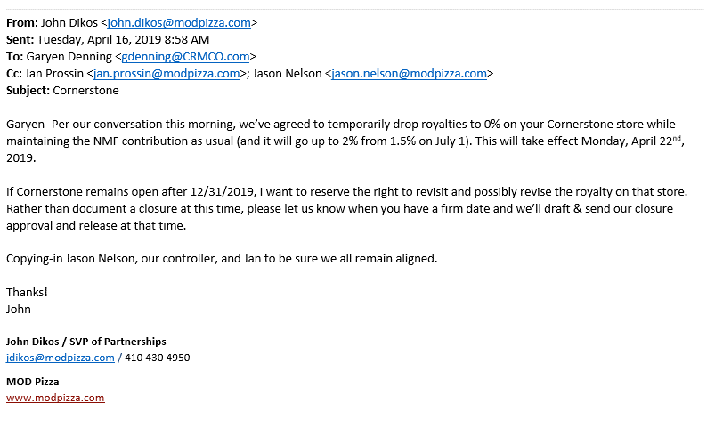
Franchise Locations & Royalty Info |  |  |  |  |  |  |  | Royalty Fee End Dates
Location | Debit Memo Location | Franchisee | Principal Name | Founders/Non-Founders | Open Date | Marketing/Royalty Fee Start | Marketing & Royalty Fee End | 2.5% | Start Period | End Period - 2% | 2% | End Period - 3% | 3% | End Period - 4% | 4% | End Period - 5% | 5% | End Period - 6% | 6% | Column1
Springfield-Oregon | Springfield-Oregon | SSR Holdings LLC | Bikram | Non-Founders | 2025-10-13
Decatur | Decatur | DAZ9 | Darshana Somaiya | Non-Founders | 2017-10-02 | 2026-05-24 | 2026-05-24 |  | PERIOD 21 2026 |  |  |  | 2026-05-24 |  | Period 13 2026 |  | 2036-05-24

I think the royalty is incorrect for Madison. My mistake and apologies for not catching sooner …
Attached is the franchise agreement and amendment. Royalty is clarified in the amendment:

a. 1% of the Weekly Revenues generated by the Franchisee’s MOD Pizza Restaurant during the first 13 accounting periods
b. 2% of the Weekly Revenues generated by the Franchisee’s MOD Pizza Restaurant during the second 13 Accounting Periods
c. 3% of the Weekly Revenues generated by the Franchisee’s MOD Pizza Restaurant during the third 13 Accounting Periods
d. 4% of the Weekly Revenues generated by the Franchisee’s MOD Pizza Restaurant during the third 13 Accounting Periods
e. 5% of the Weekly Revenues generated by the Franchisee’s MOD Pizza Restaurant during the remainder of the Initial Term of this Franchise Agreement.

